IPI DRB Minutes
 |  | IBIDEN PHILIPPINES, INC. |  |  |  |  |  |  |  |  |  |  |  |  |  |  |  |  |  | DRB/MRB No. : |  | D-SF-19-11-001
 |  | DRB/MRB REPORT MINUTES |  |  |  |  |  |  |  |  |  |  |  |  |  |  |  |  |  | RFC No. : |  | 40-1119-0281

Theme: |  |  | Wrinkles on Panel from Lam7
Meeting Date : |  |  | 2019-12-06 |  |  |  |  |  |  |  |  |  |  |  | Originated by :
Meeting Time: |  |  | 1100h |  |  |  |  |  |  |  |  |  |  |  |  |  |  |  |  | Name /Block
Meeting Place: |  |  | SF1 Roll Coating area (Line DRB) |  |  |  |  |  |  |  |  |  |  |  | Approved by :
Chairman: |  |  | Leah |  |  |  |  |  |  |  |  |  |  |  |  |  |  |  | Originator ASM/SM/DGM/GM
Block: |  |  | SF
Attendees : |  |  | Manufacturing |  |  | Engineering/NPD |  |  | Facilities/EE |  |  |  |  | QA/QC |  |  |  |  | PPIC/CSE |  |  |  | Other
 |  |  | Lei |  |  | Janine |  |  | Jhoner |  |  |  |  | Cha
 |  |  | Domz |  |  |  |  |  | Glenn
 |  | 2019-12-09
 |  |  | Lei |  |  | Janine |  |  | Jhoner |  |  |  |  | Irene
 |  | 2019-12-11 | Micth -FVI |  |  | Mafe |  |  |  |  |  |  |  | Irene
 |  |  | Lei |  |  | Janine |  |  |  |  |  |  |  | Kaze
 |  |  | Grace |  |  | Jay R |  |  |  |  |  |  |  | Rizza

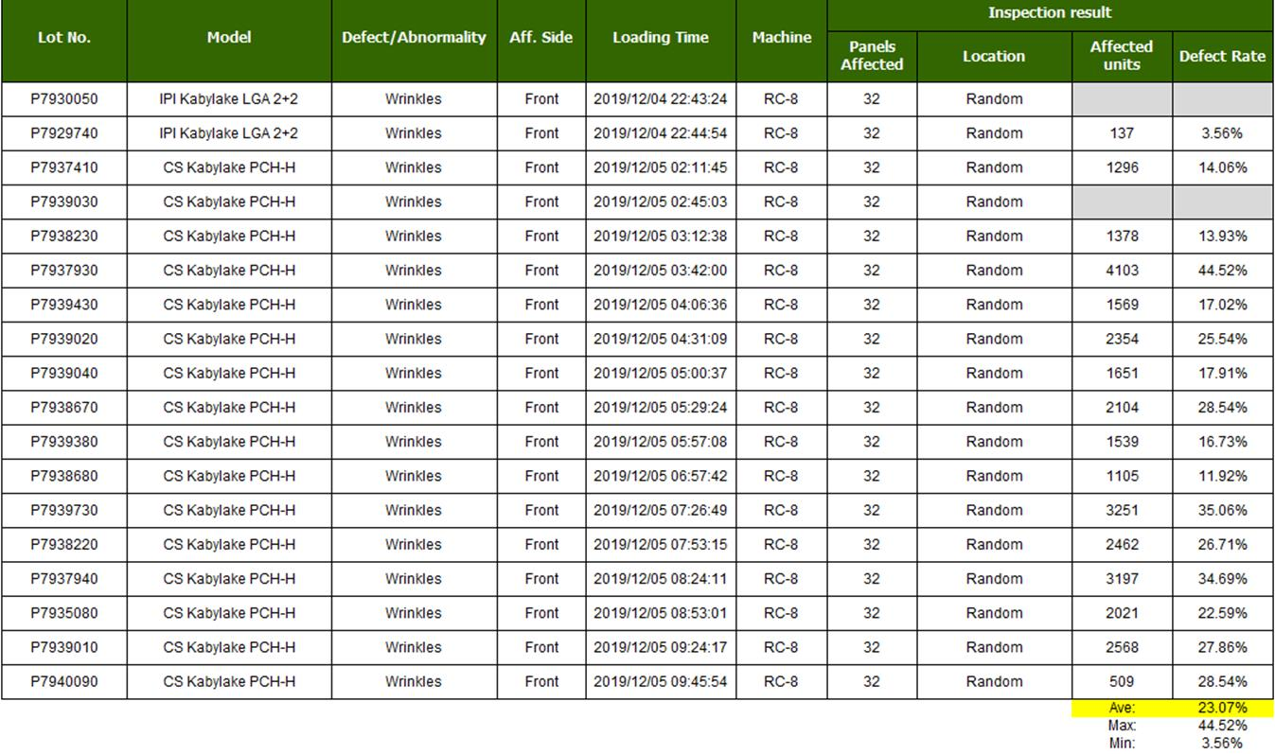
<1>PROBLEM STATEMENT : (Put another sheet if multiple lots was discovered affected)
DEFECT ISSUE: |  |  | Wrinkles |  | # | PRODUCT/MODEL AFFECTED |  |  | PRODUCT FAMILY |  |  | LEDGER NO. |  | PRODUCT SIZE |  | LOT NUMBER |  |  | AFFECTEDLAYER |  | AFFECTED PANEL |  | AFFECTED UNIT OR IF PERCENTAGE
DATE/TIME OCCURRED: |  |  | 05 Dec, 2019/ 1030h |  | 1
PROCESS DETECTED: |  |  | Lamination |  | 2
PROCESS AFFECTED: |  |  | Lamination |  | 3
# OF AFFECTED LOTS : |  |  | 18 lots |  | 4
WHO DETECTED: |  |  | Glecy/Jinky |  | 5
 |  |  |  |  | 6
 |  |  |  |  | 7
 |  |  |  |  | 8
 |  |  |  |  | 9
 |  |  |  |  | 10
 |  |  |  |  | 11
 |  |  |  |  | 12
 |  |  |  |  | 13
 |  |  |  |  | 14
 |  |  |  |  | 15
 |  |  |  |  | 16
 |  |  |  |  | 17
 |  |  |  |  | 18
 |  |  |  |  | 19
 |  |  |  |  | 20
 |  |  |  |  | 21
 |  |  |  |  | 22
 |  |  |  |  | 23
 |  |  |  |  | 24
 |  |  |  |  | 25
 |  |  |  |  | 26
 |  |  |  |  | 27
 |  |  |  |  | 28
 |  |  |  |  | 29
 |  |  |  |  | 30
WHAT IS THE PROBLEM DIFFERENCE FROM NORMAL TO ABNORMAL SITUATION? CHANGING POINT? DISCUSS THE FLOW. (Indicate 5W and 1H)

 |  | What: | Wrinkles on panels, average defect of 16.75%
 |  | When: | 05 Dec, 2019 / 1100h
 |  | Where: | SF1 Lamination 7
 |  | Why: | not balance tension both winding and unwinding area
 |  | How: | tension setting was high

THE AGENDA ITEM IS RECURRENCE? |  |  |  | RECURRENCE |  |  | NEW |  |  |  | Recurrence Definition |  |  |  | 1. Rootcause is clear happened in same MC and parts 2. Rootcause is not clear but same issue 3. The Action was not proliferated to other process and machine but it was discussed during the meeting
THE AGENDA ITEM IS ESCAPEE? |  |  |  | YES |  |  | NO
PROBLEM CATEGORY |  |  | MAN |  | MACHINE |  |  | METHOD |  |  | MATERIAL |  |  | MEASUREMENT |  |  |  | ENVIRONMENT |  |  |  | OTHERS
DRB CLOSING RANK |  |  | RANK 1 |  | RANK 2 |  |  | RANK 3 |  |  | RANK 4 |  |  | RANK 5 |  |  |  | OTHERS

<2> INVESTIGATION/IDENTIFICATION OF AFFECTED AREA, SITUATION (Define the phenomenon, mode and tendency occurrence,Etc.)

 | 2019-12-03 | PM was conducted, Activities are:
 |  | Pressure distribution
 |  | Tension calibration, upper side
 |  | Encountered machine error., abnormal speed PET separator
 |  | Replaced powder clutch
 |  | Re-calibrate tension

 | 2019-12-04 | SL A shift escalated hisgh speed of panel transfer (pet lam unwinding fast movement)
 |  | Fac. Findings: unbalance tension for upper and lower un/winding specs: 20N upper and lower undwinding Actual: 40/30 upper and lower unwinding
 |  | Fac action: correct the values from Lam controller
 |  | endorsed to HVM. Able to process 7 lots.

 | 2019-12-05 | Unld operator escalated wrinkles
 |  | Fac. findings: values from controller are within specs
 |  | Recalibrate the machine

<3> CONTAINMENT ACTION (Note: Do not disable the interlock system when doing the action) |  |  |  |  |  |  |  |  |  |  |  |  |  |  |  | Responsible |  |  | Completion Date |  |  | Status
 |  |  |  |  |  |  |  |  |  |  |  |  |  |  |  | Name / Block
1 | Manual loading of lots from roll coating buffer |  |  |  |  |  |  |  |  |  |  |  |  |  |  | Lei/Mfg |  |  | done
2 | Transfer loading of remaining lots to Lam5 |  |  |  |  |  |  |  |  |  |  |  |  |  |  | Lei/Mfg |  |  | done

<4> DISPOSITION OF AFFECTED LOT AND RISK ASSESSMENT

Assessment Item (# of sample/Method) |  |  |  | Responsible Name / Block |  |  | Completion Date |  |  | Assessment Result (No Good/TTL QTY) |  |  |  |  |  | Judgment (OK/NG) |  |  | Final Disposition
100% inline inspection |  |  |  | Mfg |  |  | ww49.6 |  |  | No good |  |  |  |  |  | Ng
 |  |  |  |  |  |  |  |  |  |  |  |  |  |  |  |  |  |  |  | Proceed |  | Qty : ______________________________
 |  |  |  |  |  |  |  |  |  |  |  |  |  |  |  |  |  |  |  | Piece Out |  | Qty : _______ Pnl #: ________________
 |  |  |  |  |  |  |  |  |  |  |  |  |  |  |  |  |  |  |  | Sheet Out |  | Qty : ______________________________
 |  |  |  |  |  |  |  |  |  |  |  |  |  |  |  |  |  |  |  | Lot Out |  | Qty : ______________________________
 |  |  |  |  |  |  |  |  |  |  |  |  |  |  |  |  |  |  |  | SDR
Risk Assessment Category |  |  |  |  |  |  |  |  |  |  | Remarks
 |  | Low |  | Medium |  |  |  | High |  |  | ________________________

<5>ACTION REQUIRED (Note: Do not disable the interlock system when doing the action)

Action Request |  |  |  |  |  |  |  |  |  | Responsible Name / Block |  |  |  |  |  | Completion Date |  |  | Detail Results
1. interview previous shift for possible activity on Lam7, Mfg side |  |  |  |  |  |  |  |  |  | MFG-Lei |  |  |  |  |  | ww49.6 |  |  | no activity on machine. Issue encountered was properly escalated to Fac upon detection
2019-12-11
Check CIR result for crossloaded lots |  |  |  |  |  |  |  |  |  | QA-Riza |  |  |  |  |  | ww50.4 |  |  | no concern on CIR
Review of procedure for Lam Tension Calibration |  |  |  |  |  |  |  |  |  | DRB team |  |  |  |  |  | ww50.4
Re-screen P7938670 |  |  |  |  |  |  |  |  |  | QA-Riza |  |  |  |  |  | ww50.6
Panel mapping of good units, P7938670 |  |  |  |  |  |  |  |  |  | QA-Riza |  |  |  |  |  | ww50.6
2019-12-13
Re-orient Lam unloader on MSB and response to wrinkles |  |  |  |  |  |  |  |  |  | MFG-Lei |  |  |  |  |  | ww51. 4

<6> ROOTCAUSE GENERATION/ANALYSIS <WHY ANALYSIS by 5M1E, DESIGN AND CAPABILITY>

 | 1. FACTOR GAP ANALYSIS
 | Problem/Issue |  | Gap Type |  | 1st why |  |  |  | 2nd why |  |  |  |  |  | 3rd why |  |  |  |  |  | 4th why |  |  | 5th why
 | Wrinkles after lamination |  | Technical |  | Unbalance tension applied on panel during lamination |  |  |  | tension parts assembly has malfunction |  |  |  |  |  | overload tension load cell |  |  |  |  |  | too much tension was applied |  |  | OOS Tension

 |  |  | Systemic
 |  |  | Detection |  | Unable to detect during RFC checking |  |  |  | parameters are within specs
 | 2. FINAL ROOT CAUSE and MECHANISM OF AFFECTED ISSUE

<7> CORRECTIVE ACTION |  |  |  |  |  |  |  |  |  |  |  |  | Responsible |  |  |  | Completion Date |  |  | Status |  |  | Need CN & DR?
 |  |  |  |  |  |  |  |  |  |  |  |  | Name / Block |  |  |  |  |  |  |  |  |  | Yes | No
 | Conduct Tension calibration |  |  |  |  |  |  |  |  |  |  |  | Fac-Jhoner, Glenn |  |  |  | ww49.3

<8> PREVENTIVE ACTION |  |  |  |  |  |  |  |  |  |  |  |  | Responsible |  |  |  | Completion Date |  |  | Status |  |  | Need CN & DR?
 |  |  |  |  |  |  |  |  |  |  |  |  | Name / Block |  |  |  |  |  |  |  |  |  | Yes | No
 | RFC revision to include checking of previous abnormality and calibration |  |  |  |  |  |  |  |  |  |  |  | Janine/Engg |  |  |  | ww04'20
 | Require fresh dummy panel during quality checking and observe appearance until 6hrs to validate stability |  |  |  |  |  |  |  |  |  |  |  | Mfg |  |  |  | continuous
 | Provide full cover and I mark on Lam control panel |  |  |  |  |  |  |  |  |  |  |  | Fac-Glenn |  |  |  | ww02
 | Improve PIS to include values of checking after tension calibration. |  |  |  |  |  |  |  |  |  |  |  | Fac-Glenn |  |  |  | ww02

<9> PROLIFERATION |  |  |  |  |  |  |  |  |  |  |  |  |  |  |  | Responsible |  |  | Completion |  |  | Status
 |  |  |  |  |  |  |  |  |  |  |  |  |  |  |  | Name / Sign |  |  | Date
Product |  | Block | Process/line |  | Machine |  | Proliferate Item
 |  |  |  |  |  |  | 1
 |  |  |  |  |  |  | 2
<10>AMOUNT OF LOSS . The total sum_________________
Product |  |  |  |  | Unit Qty |  |  |  |  |  |  |  | Amount of Loss |  |  |  |  |  |  | Remarks

<11> CLOSING APPROVAL (The approver person in charge should put details of the validation and closing confirmation result)
The Validation activity |  |  |  |  |  |  |  |  |  |  |  |  |  |  |  |  | Closing Approver |  |  |  |  | Closing Date
 |  |  |  |  |  |  |  |  |  |  |  |  |  |  |  |  | ASM Gloria Reyes

 |  |  |  |  |  |  |  |  |  |  |  |  |  |  |  |  |  |  |  |  |  |  |  |  | QA-SCAR-MRB-02-00-01 Rev. 11

QC REPORT
 |  | QCSF INITIAL ABNORMALITY REPORT |  |  |  | Submission Date | Submission Time |  | QCSF | Mary Angeline Divino/ Crisel Rimpillo
 |  | Wrinkles |  |  |  | 9-Dec-19 | 0600H |  | QC SPL | Kazeline Malabanan
 |  |  |  |  |  |  |  |  | QC SI | Irene Malapute
 |  |  |  |  |  |  |  |  | QC ASM | Charisse Ibañez/ Gloria Reyes
I. PROBLEM STATEMENT

 | I. Problem:
 | Abnormality: |  | Wrinkles
 | Process Detected: |  | Lamination 7
 | Affected lots: |  | 18 lots
 | Date Encountered: |  | Dec. 5-6, 2019
 | Time Encountered: |  | 0700H~1700H
 | Escalated to QC by: |  | MFG
 | Escalated Date: |  | 6-Dec-19
 | Escalated to: |  | QC

 | Lot Details:
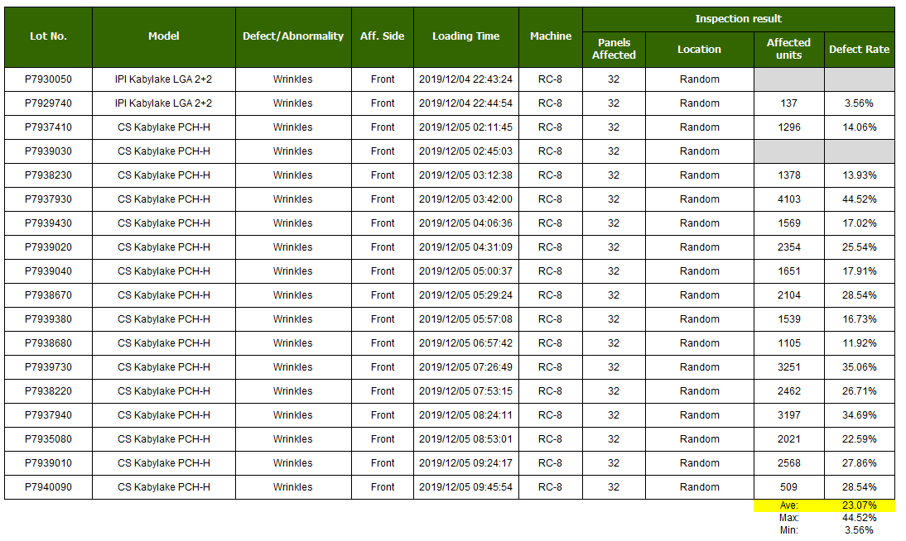

 | >> Total of 18 lots were detected with Wrinkles at LPSR Inspection.
 | >> Affected lots were processed at Lamination 7 in consecutive order. With an average defect rate of 23.07%, max. of 44.52%, and min. of 3.56%.

II. ILLUSTRATION

 | 1. Defect Appearance/Details
Appearance
SnR Sequence vs Blister Defect Rate
Panel Mapping
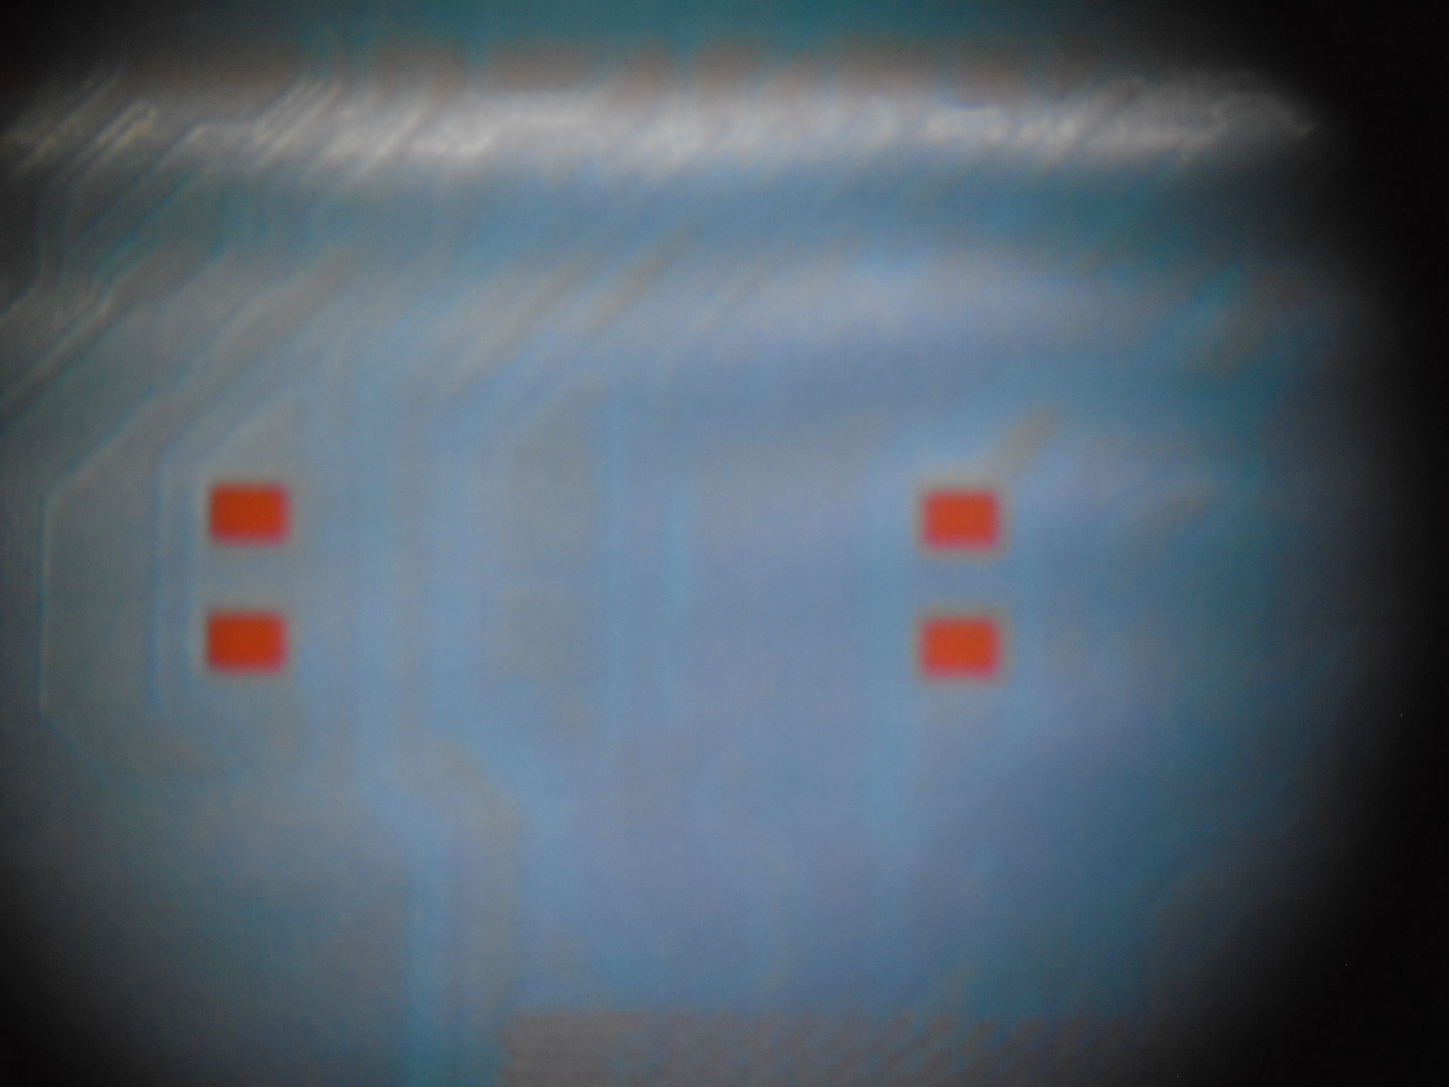

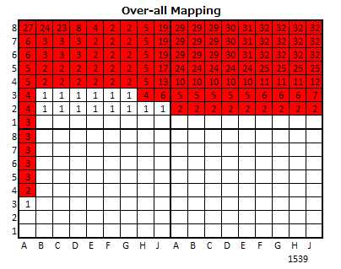

Lot Number: P7939380
Product : CS Kabylake PCH-H
Lots affected were processed at Lamination in consecutive order.
Lot Number: P7939380
Product : CS Kabylake PCH-H

III. Hypothesis / Potential Rootcause/Scenario

 |  |  |  | Still no Concrete Findings for the real rootcause.

IV. PROCESS CONTAINMENT ACTION

 | Action Done |  |  |  | Result/Status |  |  |  | Responsible Person
 | Stop loading on affected models |  |  |  | Done |  |  |  | MFG
 | Conduct RFC |  |  |  | Done/Specs of tension is not tally at the actual value |  |  |  | MFG
 | Manually unload remaining lots from buffer then cross load at Lam5 |  |  |  | Done |  |  |  | MFG/Fac
 | Conduct tension calibration upper/lower & Replace load cell |  |  |  | Done |  |  |  | Fac
 | Conduct checking of before and after lots |  |  |  | Done/With evidence of Wrinkles |  |  |  | MFG/QC
 | Conduct checking of lots affected |  |  |  | Done/With evidence of Wrinkles |  |  |  | MFG/QC
 | Conduct 100% inspection on lots affected |  |  |  | Done/With evidence of Wrinkles |  |  |  | MFG
 | Put IPLAR on affected lots |  |  |  | Done/Piece-out affected panels |  |  |  | MFG/QC

V. NEXT PLAN

 | Activity |  |  |  |  |  |  | Owner
 | Conduct DRB Discussion |  |  |  |  |  |  | Mfg/QC/Eng'g/Fac
 | Monitoring of Machine |  |  |  |  |  |  | Mfg/Eng'g

